Sheet1
Scan profile settings - 250130

Scan profile: | ITG_VK_FL_Dapi_AF488_TexasRedX_20x

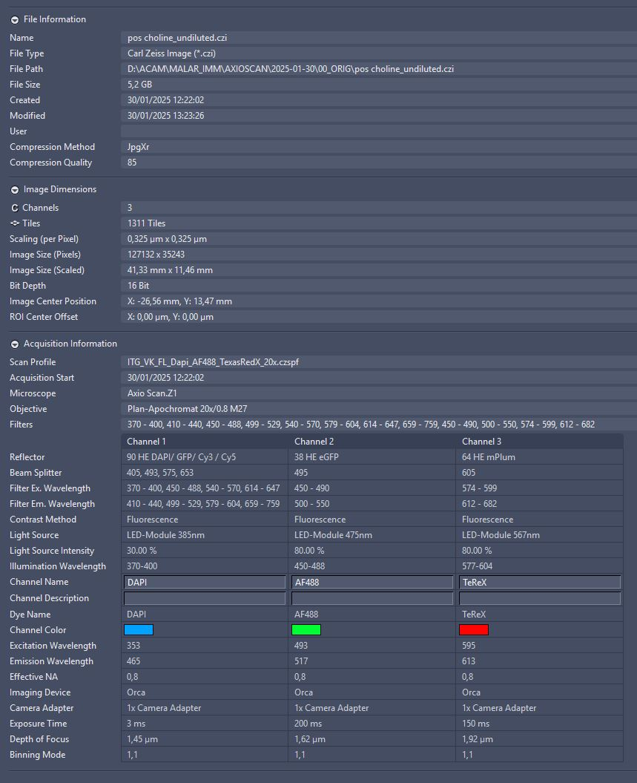
CFM | 10x
 | TeRedX = ref channel
 | LED | 70%
 | intensity | 50%
 | exposure | 100 ms
 | binning | 2x2
 | smart search
 | range | 3900-4100 µm
 | onion skin | param 0,2
 |  | max # 24

FFM | 20x
 | TeRedX = ref channel
 | LED | 70%
 | intensity | 50%
 | exposure | 100 ms
 | binning | 2x2
 | smart search
 | range | 90 µm
 | grid cell size | 2000;2000

Scan | 20x
 | binning | 1x1

 | Dapi
 | LED | 30%
 | intensity | 50%
 | exposure | 3 ms

 | AF488
 | LED | 80%
 | intensity | 100%
 | exposure | 200 ms

 | TexasRed X
 | LED | 80%
 | intensity | 100%
 | exposure | 150 ms

Approximately 1 hr 15 min/slide

